Sheet 1
 |  | HARDWARE RANGE Supplied By Tasmanian Gift Wrap Co

Photo | Item No. | Barcode | Description | Category | Inner Qty | Carton Qty | Stock Required
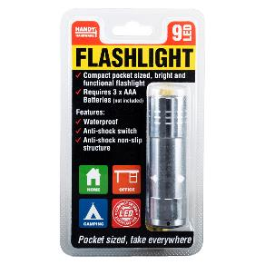 | 225866 | 9326243225866 | Flashlight Battery Operated 9 LED Red, Black, Blue & Silver Assorted 8.3cm x 2.5cm (Requires 3 x AAA Batteries, Not Included) | Lighting | 36 | 36
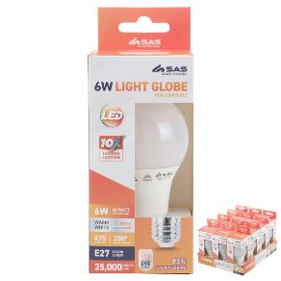 | 228478 | 9326243228478 | Bulb 6W LED Light - Warm White - E27 (Screw) | Lighting | 12 | 48
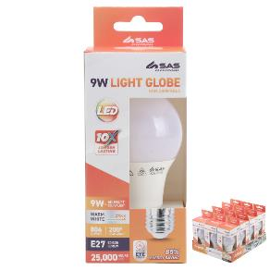 | 228485 | 9326243228485 | Bulb 9W LED Light - Warm White - E27 (Screw) | Lighting | 12 | 48
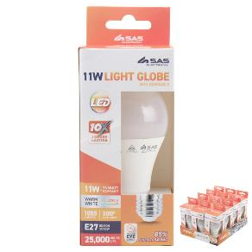 | 228492 | 9326243228492 | Bulb 11W LED Light - Warm White - E27 (Screw) | Lighting | 12 | 48
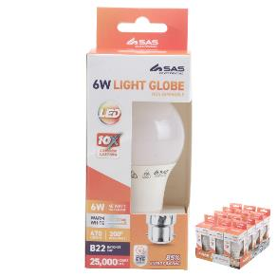 | 228508 | 9326243228508 | Bulb 6W LED Light - Warm White - B22 (Bayonet) | Lighting | 12 | 48
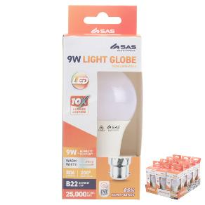 | 228515 | 9326243228515 | Bulb 9W LED Light - Warm White - B22 (Bayonet) | Lighting | 12 | 48
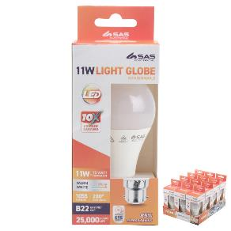 | 228522 | 9326243228522 | Bulb 11W LED Light - Warm White - B22 (Bayonet) | Lighting | 12 | 48
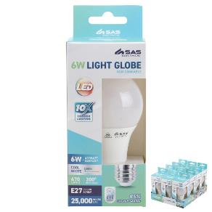 | 228539 | 9326243228539 | Bulb 6W LED Light - Cool White - E27 (Screw) | Lighting | 12 | 48
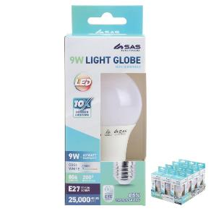 | 228546 | 9326243228546 | Bulb 9W LED Light - Cool White - E27 (Screw) | Lighting | 12 | 48
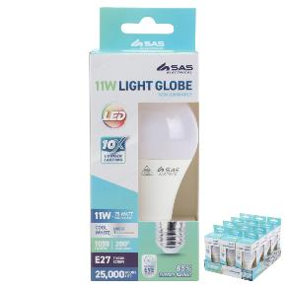 | 228553 | 9326243228553 | Bulb 11W LED Light - Cool White - E27 (Screw) | Lighting | 12 | 48
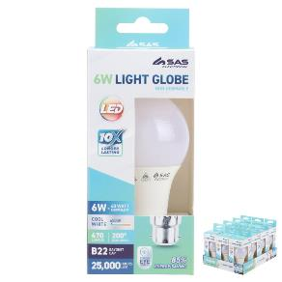 | 228560 | 9326243228560 | Bulb 6W LED Light - Cool White - B22 (Bayonet) | Lighting | 12 | 48
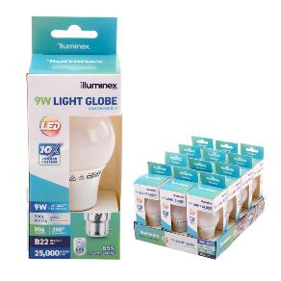 | 228577 | 9326243228577 | Bulb 9W LED Light - Cool White - B22 (Bayonet) | Lighting | 12 | 48
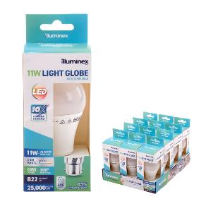 | 228584 | 9326243228584 | Bulb 11W LED Light - Cool White - B22 (Bayonet) | Lighting | 12 | 48
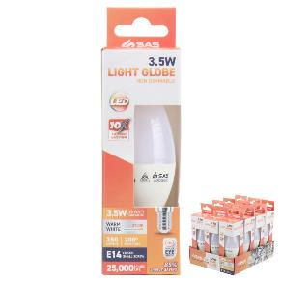 | 228591 | 9326243228591 | Bulb 3.5W LED Light - Warm White - E14 (Small Screw) | Lighting | 12 | 48
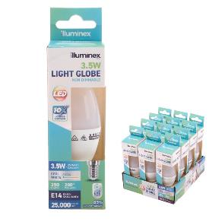 | 228607 | 9326243228607 | Bulb 3.5W LED Light - Cool White - E14 (Small Screw) | Lighting | 12 | 48
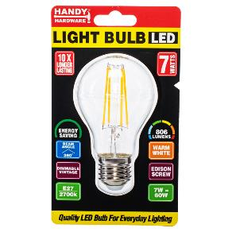 | 228614 | 9326243228614 | Bulb 7W LED Dimmable Vintage Light - Warm White - E27 (Screw) | Lighting | 12 | 48
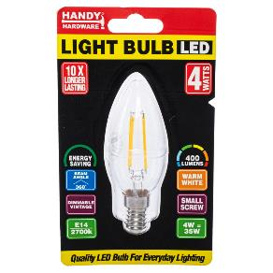 | 228652 | 9326243228652 | Bulb 4W LED Dimmable Vintage Light - Warm White - E14 (Small Screw) | Lighting | 12 | 48
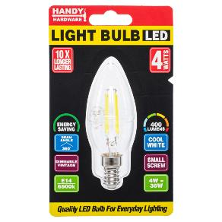 | 228669 | 9326243228669 | Bulb 4W LED Dimmable Vintage Light - Cool White - E14 (Small Screw) | Lighting | 12 | 48
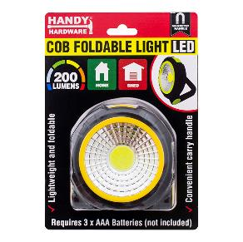 | 232680 | 9326243232680 | Battery Operated Foldable LED COB Work Light (272327) | Lighting | 0 | 12
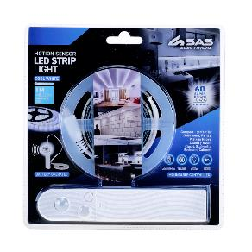 | 259366 | 9326243259366 | LED Motion Sensor Strip Light Battery Operated 1m (Requires 4 x AAA Batteries- Not Included) | Lighting | 6 | 24
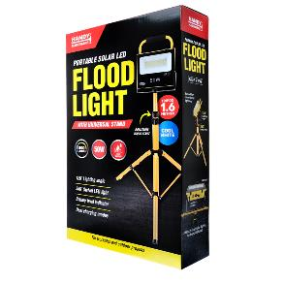 | 259380 | 9326243259380 | Portable Worklight 50W Rechargeable Solar With Adjustable Tripod 33cm x 23cm x 5.9cm | Lighting | 2 | 2
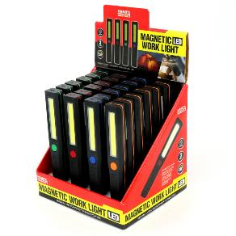 | 263073 | 9326243263073 | Battery Operated Magentic COB LED Work Light 3 Modes, 4 Colours (Green, Red, Blue & Orange) 27mm x 168mm (Requires 3 x AAA Batteries, Not Included) | Lighting | 24 | 96
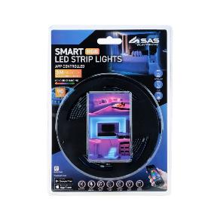 | 264322 | 9326243264322 | LED Strip Light USB Powered APP Controlled 3m, Features 5 Modes, 16 Colours & 90 LED | Lighting | 6 | 24
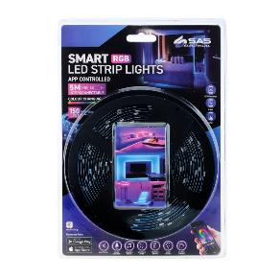 | 264339 | 9326243264339 | LED Strip Light USB Powered APP Controlled 5m, Features 5 Modes, 16 Colours & 150 LED | Lighting | 6 | 24
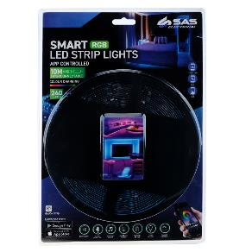 | 264346 | 9326243264346 | LED Strip Light USB Powered APP Controlled 10m, Features 5 Modes, 16 Colours & 240 LED | Lighting | 6 | 24
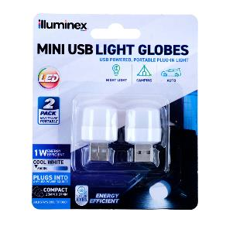 | 268894 | 9326243268894 | Illuminex Mini LED Lamp Cool White USB Type A Powered 25mm x 37mm 1W 5V 2pk | Lighting | 24 | 144
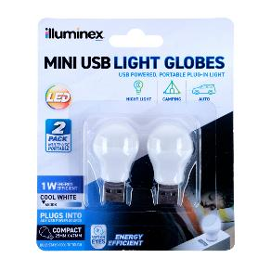 | 268900 | 9326243268900 | Illuminex Mini LED Lamp Cool White USB Powered 25mm x 45mm 1W 5V 2pk | Lighting | 24 | 144
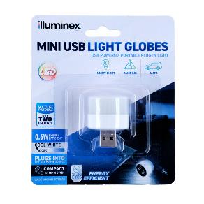 | 268917 | 9326243268917 | Illuminex Mini LED Lamp Cool White USB Powered with 2 USB Ports 31mm x 37mm 0.6W 5V1A | Lighting | 24 | 144
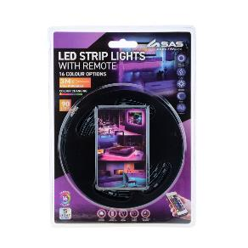 | 269044 | 9326243269044 | LED Strip Light USB Powered With Remote 3m, Features 5 Modes, 16 Colours & 90 LED, Remote Requires 2 x AAA Batteries, Not Included) | Lighting | 12 | 48
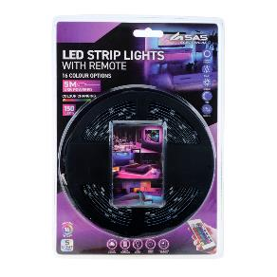 | 269051 | 9326243269051 | LED Strip Light USB Powered With Remote 5m, Features 5 Modes, 16 Colours & 150 LED, Remote Requires 2 x AAA Batteries, Not Included) | Lighting | 12 | 48
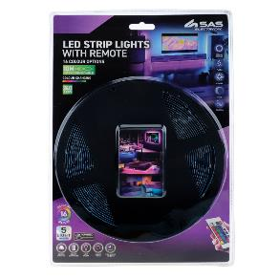 | 269068 | 9326243269068 | LED Strip Light USB Powered With Remote 10m, Features 5 Modes, 16 Colours & 240 LED, Remote Requires 2 x AAA Batteries, Not Included) | Lighting | 12 | 48
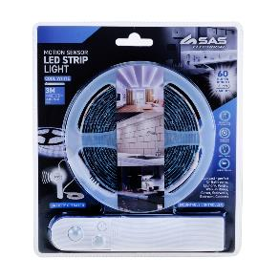 | 269440 | 9326243269440 | LED Motion Sensor Strip Light Battery Operated 3m (Requires 4 x AAA Batteries- Not Included) | Lighting | 6 | 24
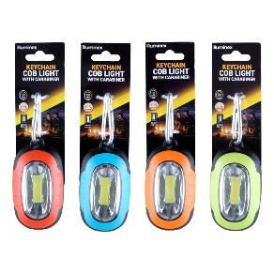 | 271931 | 9326243271931 | Illuminex COB Light Carabiner Keychain 3 Modes (Requires 3 x AAA Batteries) | Lighting | 24 | 48
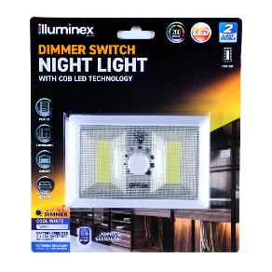 | 271948 | 9326243271948 | Illuminex Battery Operated Dimmable Portable LED Flip Light Switch 2 Panel Magnetic (Requires 4 x AAA Batteries, Not Included) | Lighting | 12 | 48
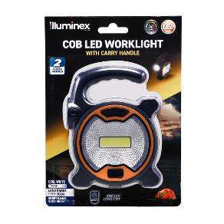 | 272297 | 9326243272297 | Illuminex Battery Operated 2-in-1 COB & FLashlight Portable Work Light 240 Lumens 13cm x 10cm (Requires 3 x AA Batteries, Not Included) | Lighting | 12 | 72
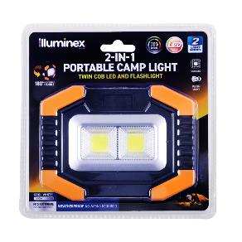 | 272310 | 9326243272310 | Illuminex Battery Operated 2-in-1 Portable COB Worklight 2 Modes 200 Lumens 135mm x 110mm (Requires 3 x AAA Batteries, Not Included) | Lighting | 12 | 48
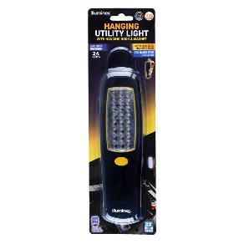 | 272303 | 9326243272303 | Illuminex Battery Operated Hanging Magnetic Utility Light 24 LED 360 Degree Swivel Hook 20.5cm x 5cm (Requires 3 x AA Batteries, Not Included) | Lighting | 12 | 24
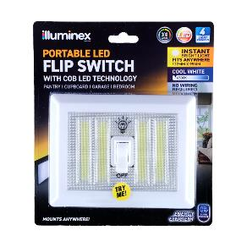 | 272334 | 9326243272334 | Illuminex Battery Operated Portable LED Flip Light Switch 4 Panel (Includes Adhesive Strips & Dual Screw Mount Holes) 75mm x 112mm (Requires 4 x AAA Batteries, Not Included) | Lighting | 24 | 24
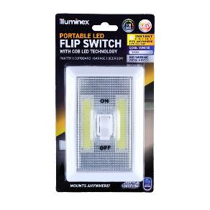 | 272341 | 9326243272341 | Illuminex Battery Operated Portable LED Flip Light Switch 2 Panel (Includes Adhesive Strips & Dual Screw Mount Holes) 75mm x 112mm (Requires 3 x AAA Batteries, Not Included) | Lighting | 24 | 24
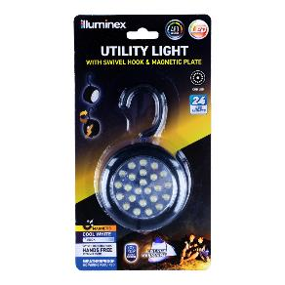 | 272358 | 9326243272358 | Illuminex Battery Operated Hanging Magnectic Utility Light With Swivel Hook Black 24 LED 12cm x 3.6cm (Requires 3 x AAA Batteries, Not Included) | Lighting | 12 | 12
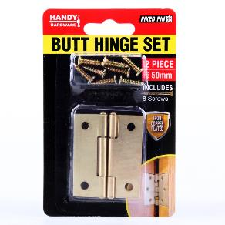 | 106530 | 9326243106530 | Hinge Set Iron Copper Plated 50mm 2pc (Includes 8 Screws) | Fasteners | 12 | 144
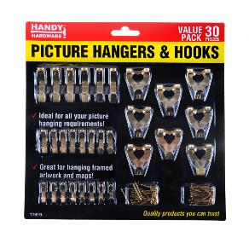 | 11919 | 9326243011919 | Hooks Picture Assorted Sizes 30pc (Includes Screws) | Fasteners | 12 | 72
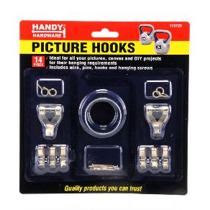 | 173723 | 9326243173723 | Hooks Picture Assorted 14pcs (Includes Wire for Canvas, Pins, Hooks & Screws) | Fasteners | 24 | 72
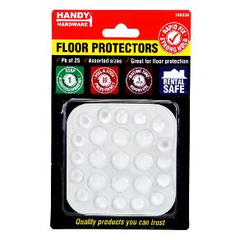 | 189229 | 9326243189229 | Adhesive Clear Skid Protectors Round 25pk (Assorted Sizes) | Fasteners | 24 | 288
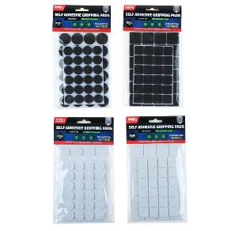 | 189236 | 9326243189236 | Floor Protection Adhesive Cushioned Skid Protectors 2cm & 2.5cm 48pk (Black & White Assorted in Carton) | Fasteners | 12 | 96
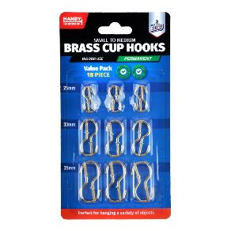 | 196760 | 9326243196760 | Hooks Brass Assorted Small to Medium Sizes Value Pack 18pc (6 x 26mm, 6 x 33mm and 6 x 37mm) | Fasteners | 24 | 144
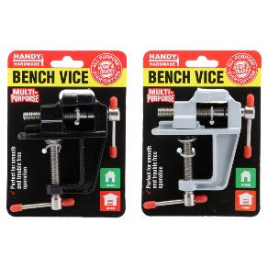 | 197569 | 9326243197569 | Bench Vice Cast Iron Assorted Colours 30mm | Fasteners | 12 | 48
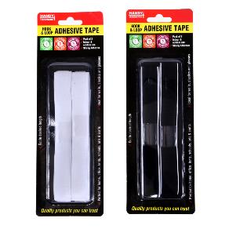 | 213528 | 9326243213528 | Adhesive Tape Hook & Loop 1.2m X 19mm 2pk | Fasteners | 24 | 144
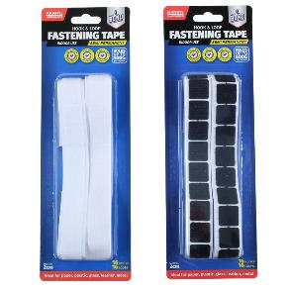 | 213535 | 9326243213535 | Adhesive Tape Square Hook & Loop Medium 20mm x 20mm 32pk | Fasteners | 36 | 144
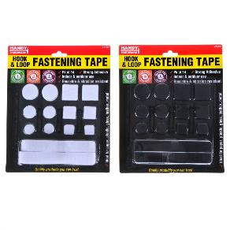 | 214457 | 9326243214457 | Adhesive Tape Hook & Loop Assorted Shapes & Sizes Black & White Assorted in Carton 14pk | Fasteners | 24 | 96
 | 214570 | 9326243214570 | Hooks Over the Door Stainless Steel 2.5cm x 6cm 2pk (Holds up to 3kg) | Fasteners | 24 | 72
 | 217014 | 9326243217014 | Removable Hooks Oval Clear Plastic 62mm x 38mm 2pk (Holding Weight 3kg) | Fasteners | 12 | 144
 | 217021 | 9326243217021 | Removable Hooks Oval Clear Plastic 53mm x 33mm 3pk (Holding Weight 2kg) | Fasteners | 12 | 144
 | 217038 | 9326243217038 | Removable Hooks Oval Clear Plastic 33mm x 23mm 4pk (Holding Weight 1kg) | Fasteners | 12 | 144
 | 217045 | 9326243217045 | Removable Hooks Rectangle Clear Plastic 50mm x 30mm 3pk (Holding Weight 2kg) | Fasteners | 12 | 144
 | 217076 | 9326243217076 | Removable Hooks Square Clear Plastic 27mm x 27mm 6pk (Holding Weight 500g) | Fasteners | 12 | 144
 | 217090 | 9326243217090 | Removable Hooks Rectangle Clear Plastic 75mm x 40mm 2pk (Holding Weight 3kg) | Fasteners | 12 | 144
 | 217878 | 9326243217878 | Hanging Strip 55mm x 16mm 4 Sets (Holds up to 1.5kg) | Fasteners | 24 | 144
 | 217885 | 9326243217885 | Hanging Strip 85mm x 20mm 4 Sets (Holds up to 2.5kg) | Fasteners | 24 | 144
 | 217892 | 9326243217892 | Removable Hooks Plastic 2.7cm x 2.1cm 6pk (Holding Weight 500g) | Fasteners | 12 | 144
 | 217908 | 9326243217908 | Removable Hooks Plastic 1.7cm x 1.5cm 12pk (Holding Weight 200g) | Fasteners | 12 | 144
 | 217939 | 9326243217939 | Removable Hooks Square Stainless Steel 34mm x 34mm 2pk (Holding Weight 1.5kg) | Fasteners | 12 | 144
 | 217960 | 9326243217960 | Removable Hooks Cable Plastic 16mm x 27mm 5pk (Holding Weight 300g) | Fasteners | 12 | 144
 | 217977 | 9326243217977 | Removable Hooks Cable 30mm x 14mm 6pk (Holding Weight 300g) | Fasteners | 12 | 144
 | 217991 | 9326243217991 | Removable Hooks Oval Plastic 62mm x 38mm 2pk (Holding Weight 3kg) | Fasteners | 12 | 144
 | 218004 | 9326243218004 | Removable Hooks Oval Plastic 53mm x 33mm 3pk (Holding Weight 2kg) | Fasteners | 12 | 144
 | 218011 | 9326243218011 | Removable Hooks Oval Plastic 33mm x 23mm 4pk (Holding Weight 1kg) | Fasteners | 12 | 144
 | 218028 | 9326243218028 | Removable Hooks Rectangle Plastic 50mm x 30mm 3pk (Holding Weight 2kg) | Fasteners | 12 | 144
 | 218035 | 9326243218035 | Removable Hooks Square Plastic 40mm x 34mm 4pk (Holding Weight 2kg) | Fasteners | 12 | 144
 | 218066 | 9326243218066 | Removable Hooks Plastic 21mm x 32mm 4pk (Holding Weight 1kg) | Fasteners | 12 | 144
 | 218073 | 9326243218073 | Removable Hooks Swivel Plastic 40mm x 50mm 2pk (Holding Weight 2kg) | Fasteners | 12 | 144
 | 218080 | 9326243218080 | Removable Hooks Plastic 63mm x 73mm (Holding Weight 3kg) | Fasteners | 12 | 144
 | 218103 | 9326243218103 | Removable Hooks Square Plastic 27mm x 27mm 6pk (Holding Weight 500g) | Fasteners | 12 | 144
 | 218110 | 9326243218110 | Removable Hooks Plastic 30mm x 20mm 4pk (Holding Weight 1kg) | Fasteners | 12 | 144
 | 218127 | 9326243218127 | Removable Hooks Rectangle Plastic 75mm x 40mm 2pk (Holding Weight 3kg) | Fasteners | 12 | 144
 | 218134 | 9326243218134 | Hooks Suction Cups Clear Assorted Sizes 12pk (Holds 200g to 1kg) | Fasteners | 24 | 72
 | 218141 | 9326243218141 | Floor Protection Adhesive Felt Skid Protector Round & Square) 3cm 24pk (Brown & Black Assorted In Carton) | Fasteners | 24 | 240
 | 218158 | 9326243218158 | Floor Protection Adhesive Felt Skid Protectors Brown 2mm Thick 27pk (Assorted Sizes 39mm - 152mm) | Fasteners | 24 | 144
 | 218165 | 9326243218165 | Floor Protection Adhesive Felt Skid Protector Round & Square 7.6cm 4pk (Brown & Black Assorted in Carton) | Fasteners | 24 | 240
 | 218554 | 9326243218554 | Hooks Suction White 3pk 3.6cm (Holds up to 1kg) | Fasteners | 24 | 144
 | 218974 | 9326243218974 | Removable Key & Utility Rack 14cm x 2.5cm Includes 4 Iron Hooks (Holds up to 1.5kg each) | Fasteners | 24 | 72
 | 219742 | 9326243219742 | Hooks PVC Cup White Medium 5cm 4pc (Holds up to 8kg) | Fasteners | 24 | 144
 | 219759 | 9326243219759 | Hooks PVC Cup White Small 3.8cm 6pc (Holds up to 5kg) | Fasteners | 24 | 144
 | 222230 | 9326243222230 | Bracket Corner Includes Screws 5pc (2pc x 10cm Bracket & 3pc x 5cm Bracket) | Fasteners | 24 | 96
 | 222254 | 9326243222254 | Bracket Shelf Support White Large Includes Screws 20cm x 25cm 2pc (Holds up to 15kg) | Fasteners | 24 | 96
 | 222261 | 9326243222261 | Bracket Shelf Support White Small Includes Screws 10cm x 12.5cm 4pc (Holds up to 10kg) | Fasteners | 24 | 96
 | 225248 | 9326243225248 | Bag of Nails Concrete 38mm 60pc | Fasteners | 12 | 60
 | 225255 | 9326243225255 | Bag of Nails Concrete 63mm 25pc | Fasteners | 12 | 60
 | 225262 | 9326243225262 | Bag of Hooks Brass Plated Cup 30mm 25pc | Fasteners | 12 | 60
 | 225279 | 9326243225279 | Bag of Hooks Brass Plated Cup 50mm 10pc | Fasteners | 12 | 60
 | 225286 | 9326243225286 | Bag of Screw Hook Silver Size 8 20pc | Fasteners | 12 | 60
 | 225293 | 9326243225293 | Bag of Screw Hook Silver Size 12 10pc | Fasteners | 12 | 60
 | 225309 | 9326243225309 | Bag of Spring Washer Size M10 60pc | Fasteners | 12 | 60
 | 225316 | 9326243225316 | Bag of Flat Washer Size M6 80pc | Fasteners | 12 | 60
 | 225323 | 9326243225323 | Bag of Screw Self Drilling 4.8x25mm 30pc | Fasteners | 12 | 60
 | 225330 | 9326243225330 | Bag of Screw Self Drilling 6.3x38mm 15pc | Fasteners | 12 | 60
 | 225347 | 9326243225347 | Bag of Screw Self Drilling 5.5x63mm 15pc | Fasteners | 12 | 60
 | 225354 | 9326243225354 | Bag of Screw Chip Board 5x30mm 50pc | Fasteners | 12 | 60
 | 225361 | 9326243225361 | Bag of Screw Chip Board 5x50mm 30pc | Fasteners | 12 | 60
 | 225378 | 9326243225378 | Bag of Screw Chip Board 6x60mm 20pc | Fasteners | 12 | 60
 | 225385 | 9326243225385 | Bag of Bolt & Nut M6x40mm 15pc | Fasteners | 12 | 60
 | 225392 | 9326243225392 | Bag of Bolt & Nut M6x50mm 12pc | Fasteners | 12 | 60
 | 225408 | 9326243225408 | Bag of Bolt & Nut M8x40mm 6pc | Fasteners | 12 | 60
 | 225415 | 9326243225415 | Bag of Nails 38mm 100pc | Fasteners | 12 | 60
 | 225422 | 9326243225422 | Bag of Nails 50mm 80pc | Fasteners | 12 | 60
 | 225439 | 9326243225439 | Bag of Nails 63mm 50pc | Fasteners | 12 | 60
 | 225446 | 9326243225446 | Bag of Screw Self Tapping 4x20mm 80pc | Fasteners | 12 | 60
 | 225453 | 9326243225453 | Bag of Screw Self Tapping 4x30mm 60pc | Fasteners | 12 | 60
 | 225460 | 9326243225460 | Bag of Screw Self Tapping 4x40mm 50pc | Fasteners | 12 | 60
 | 225477 | 9326243225477 | Bag of Wire Clips Size 10 80pc | Fasteners | 12 | 60
 | 225880 | 9326243225880 | Wire Set 4pc (Includes 2 Sets of 1.8mm x 9m & 2 Sets of 1.8mm x 8m) (279807) | Fasteners | 24 | 72
 | 225903 | 9326243225903 | Hose Clamp Set Value Pack 12pc (Sizes vary from 16mm to 27mm) | Fasteners | 24 | 144
 | 225910 | 9326243225910 | Hose Clamp Set Butterfly Screw Assorted Sizes 6pc (Sizes vary from 18mm to 25mm) | Fasteners | 24 | 144
 | 233823 | 9326243233823 | Bag of PVC Cup Hook White 5cm 6pk | Fasteners | 12 | 60
 | 233830 | 9326243233830 | Bag of PVC Cup Hook Black 5cm 6pk | Fasteners | 12 | 60
 | 233847 | 9326243233847 | Bag of PVC Cup Hook White 3.8cm 10pk | Fasteners | 12 | 60
 | 233854 | 9326243233854 | Bag of PVC Cup Hook Black 3.8cm 10pk | Fasteners | 12 | 60
 | 233878 | 9326243233878 | Bag of Anchor Hooks M8 x 8mm 2pk | Fasteners | 12 | 60
 | 233915 | 9326243233915 | Bag of Dynabolt M10 x 10mm 2pk | Fasteners | 12 | 60
...

