THS Pricelist
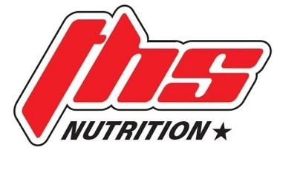

ORDER FORM

COMPANY
CONTACT NAME
PHONE
EMAIL
DELIVERY ADDRESS

SEND ORDERS TO |  | wholesale@thsnutrition.com.au | PH: 07 5576 6646 |
AVAILABLE DISCOUNTS | ALL ORDER TOTALS ARE EX GST |

ITEMS MARKED WITH *** DENOTE GST FREE ITEMS
ATHLETIC SPORT
ORDER QTY | ITEM CODE | DESCRIPTION | BARCODE | CARTON QTY | MOQ | RRP | W/SALE (EX GST) | MAX DISC | LINE TOTAL $ EX GST
KAMIKAZE ENERGY
 | ASKCAF | KAMIKAZE ENERGY - 500ML CAN - APPLE FIZZ | 9 343518 008542 | 12 | 12 | $6.95 | $3.18 | N/A | $-
 | ASKCRG | KAMIKAZE ENERGY - 500ML CAN - RAINBOW GUMMY | 9 343518 008528 | 12 | 12 | $6.95 | $3.18 | N/A | $-
 | ASKCBR | KAMIKAZE ENERGY - 500ML CAN - BLUE RASBERRY | 9 343518 008624 | 12 | 12 | $6.95 | $3.18 | N/A | $
 | ASKCCS | KAMIKAZE ENERGY - 500ML CAN - CREAMING SODA | 9 343518 008535 | 12 | 12 | $6.95 | $3.18 | N/A | $-
 | ASKCMS | KAMIKAZE ENERGY - 500ML CAN - SLUSHY MADNESS | 9 343518 008501 | 12 | 12 | $6.95 | $3.18 | N/A | $
 | ASKCHS | KAMIKAZE ENERGY - 500ML CAN - HAWAIIAN SPLICE | 9 343518 008511 | 12 | 12 | $6.95 | $3.18 | N/A | $-

QLD, WA, TAS & NT NSW, ACT, VIC & SA NATIONAL |  | STEVE TRINDER steve@thsnutrition.com.au | 0422 293 441 |  |  |  | TOTAL |  | $-

 |  |  |  |  |  |  | GST |  | $-

 |  |  |  |  |  |  | GST FREE TOTAL |  | $-

FREE FREIGHT ON ALL ORDERS OVER $600 ex GST | FREIGHT CHARGE OF $19.95 APPLIES TO ALL ORDERS UNDER $600 EX GST |  |  |  |  |  |  | GRAND TOTAL |  | $-

PLEASE NOTE, ALL ONLINE SALES ARE PROHIBITED UNLESS ON A PRE-APPROVED WEBSITE. PLEASE REFER TO OUR TERMS AND CONDITION WHICH APPLY TO ALL SALES

All Orders are subject to THS Nutrition Standard Terms and Conditions. By placing your order, you confirm you agree with those Terms and Conditions
PAYMENT OPTIONS
CHARGE THROUGH TIR IGA GROUP

 |  |  |  | Order Notes:

Amount: |  | $-

